Premise
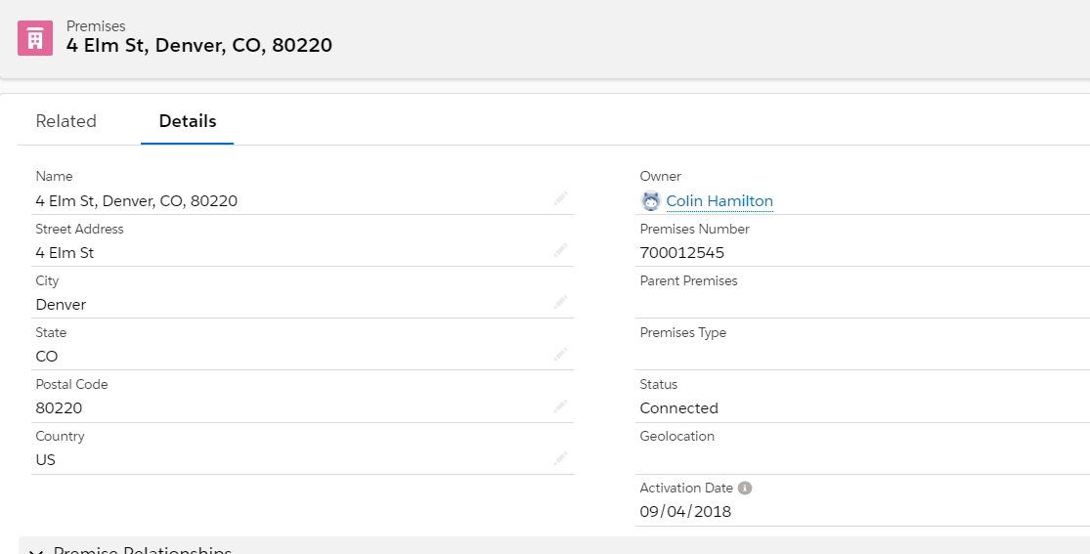
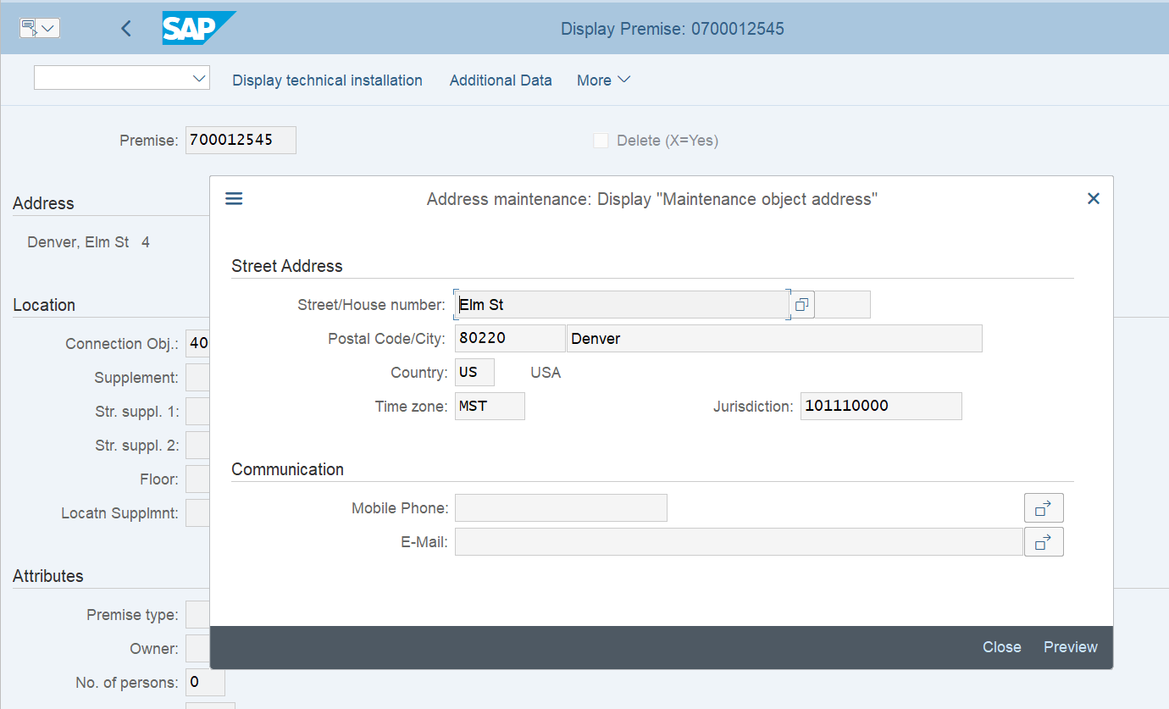
Vlocity Field | Salesforce API Name | SAP Field | Mapping - SAP to Vlocity | BAPI Output field
Premises Number | vlocity_cmt__PremisesNumber__c | Premise | Use Value | premise_number
Street Address | vlocity_cmt__StreetAddress__c | Maintenance Object Address - House Number + Maintenance Object Address - Street | Use Value | premise_street_address
Postal Code | vlocity_cmt__PostalCode__c | Maintenance Object Address - Postal Code | Use Value | premise_postal_code
City | vlocity_cmt__City__c | Maintenance Object Address - City | Use Value | premise_city
Country | vlocity_cmt__Country__c | Maintenance Object Address - Country | Use Value | premise_country
State | vlocity_cmt__State__c | Connection Object Address - Region | Use Value | premise_state
Name | Name | n/a - concatenate Street Address + City + State e.g. 241 Main, Seattle | Create New Value | n/a
Street Supplement 1 | Address1__c | n/a - concatenate Street Address + City + State + Postal Code e.g. 241 Main, Seattle, WA, 10002 | Create New Value | n/a
DR Status | DRStatus__c | N/A - Default value - "Ready"
DRBundleName | DRBundleName__c | N/A Default value - "ENGY-BatchIntegration"

BAPI Service Sample Output
{
"d" : {
"results" : [
{
"__metadata" : {
"id" : "http://awsast0058.enggSAP.accenture.com:8001/sap/opu/odata/sap/ZSFDC_BAPI_SERVICES_SRV/velocity_dataSet(end_date=datetime'2019-02-01T00%3A00%3A00.0000000',start_date=datetime'2019-01-30T00%3A00%3A00.0000000')",
"uri" : "http://awsast0058.enggSAP.accenture.com:8001/sap/opu/odata/sap/ZSFDC_BAPI_SERVICES_SRV/velocity_dataSet(end_date=datetime'2019-02-01T00%3A00%3A00.0000000',start_date=datetime'2019-01-30T00%3A00%3A00.0000000')",
"type" : "ZSFDC_BAPI_SERVICES_SRV.velocity_data"
},
"activation_date" : "2018-01-01",
"meter" : "ISUMDG055354E",
"service_type" : "01",
"installation_number" : "0800012146",
"premise_state" : "NY",
"premise_country" : "US",
"premise_city" : "NY",
"premise_postal_code" : "10002",
"premise_street_address" : "241 Main",
"premise_number" : "0700012047",
"message" : "",
"end_date" : "\/Date(1548979200000)\/",
"start_date" : "\/Date(1548806400000)\/"
},

Service Point
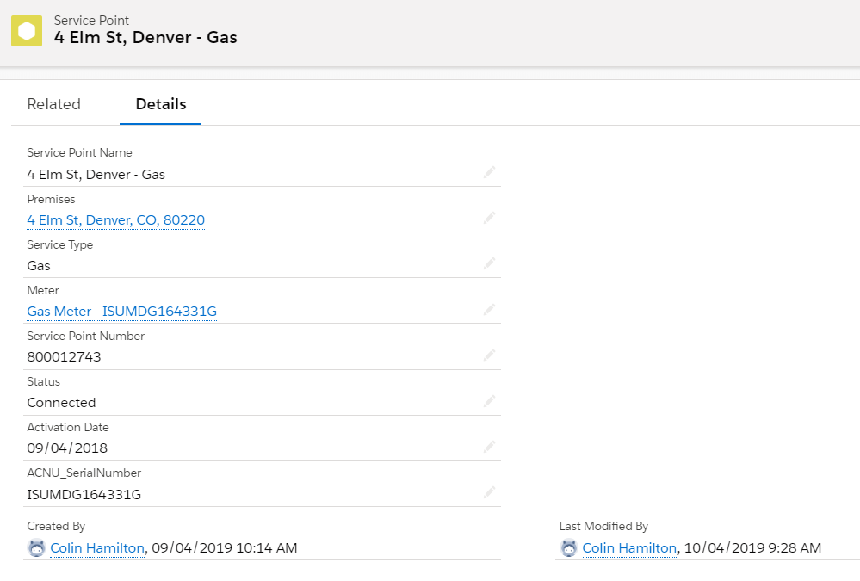
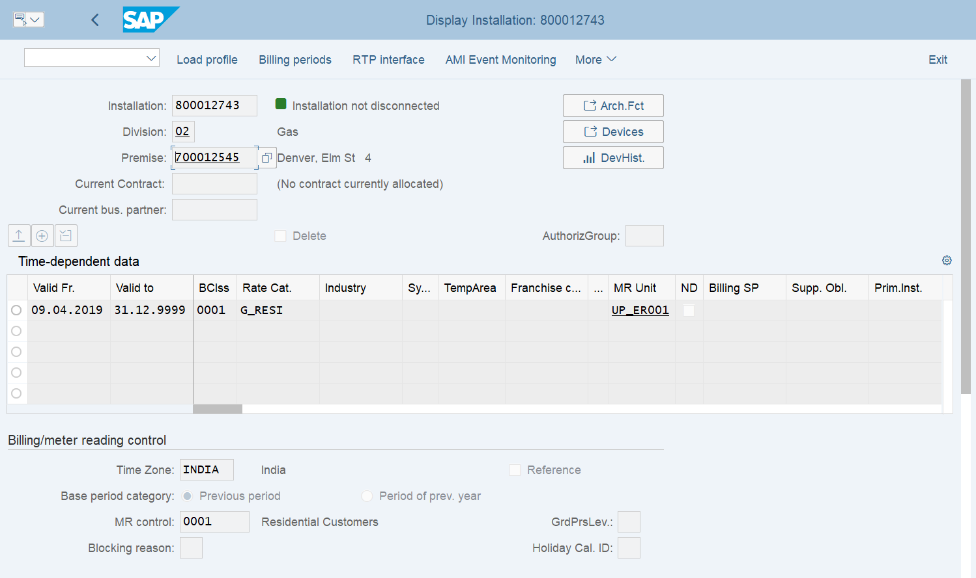
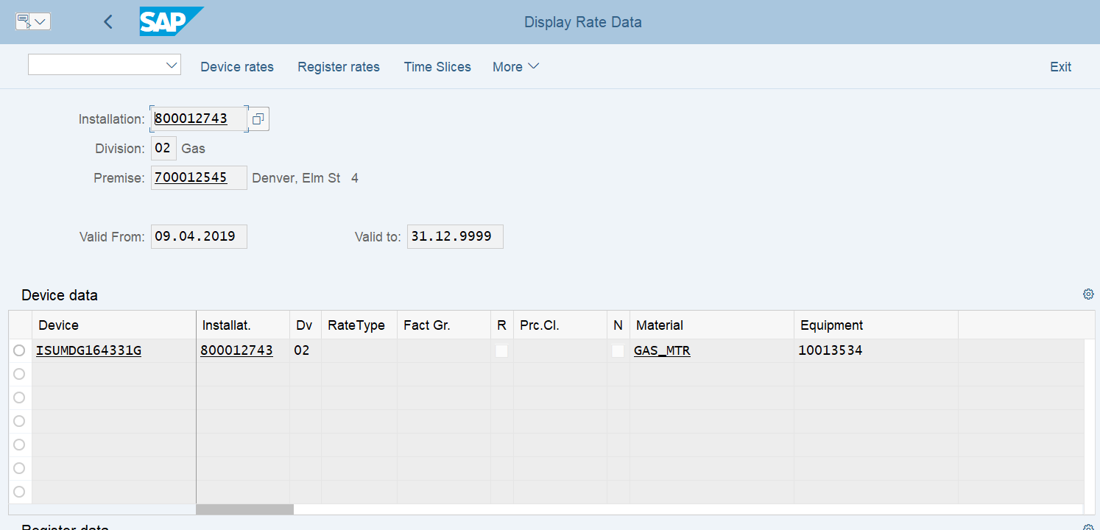
Vlocity Field | Salesforce API Name | SAP Field | Mapping - SAP to Vlocity | BAPI Output field | Comment
Service Point Number | vlocity_cmt__ServicePointNumber__c | Installation | Use Value | installation_number
Premise | vlocity_cmt__PremisesId__c | Premise | Find Premise via Premise Number | premise_number
Service Type | vlocity_cmt__ServiceType__c | Division | 01 = Electricity, 02 = Gas, 03 = Water | service_type
Meter | vlocity_cmt__MeterId__c | Update with related Inventory Item | Process needs to update this value 'on the fly' | meter | Needs to be updated after Meter is created
Activation Date | vlocity_cmt__ActivationDate__c | Valid Fr | Use Value | activation_date
Service Point Name | Name | n/a - concatenate Premise Street Address + Premise City + Service Type e.g. 241 Main, Seattle - Electricity

BAPI Service Sample Output
{
"d" : {
"results" : [
{
"__metadata" : {
"id" : "http://awsast0058.enggSAP.accenture.com:8001/sap/opu/odata/sap/ZSFDC_BAPI_SERVICES_SRV/velocity_dataSet(end_date=datetime'2019-02-01T00%3A00%3A00.0000000',start_date=datetime'2019-01-30T00%3A00%3A00.0000000')",
"uri" : "http://awsast0058.enggSAP.accenture.com:8001/sap/opu/odata/sap/ZSFDC_BAPI_SERVICES_SRV/velocity_dataSet(end_date=datetime'2019-02-01T00%3A00%3A00.0000000',start_date=datetime'2019-01-30T00%3A00%3A00.0000000')",
"type" : "ZSFDC_BAPI_SERVICES_SRV.velocity_data"
},
"activation_date" : "2018-01-01",
"meter" : "ISUMDG055354E",
"service_type" : "01",
"installation_number" : "0800012146",
"premise_state" : "NY",
"premise_country" : "US",
"premise_city" : "NY",
"premise_postal_code" : "10002",
"premise_street_address" : "241 Main",
"premise_number" : "0700012047",
"message" : "",
"end_date" : "\/Date(1548979200000)\/",
"start_date" : "\/Date(1548806400000)\/"
},

Inventory Item
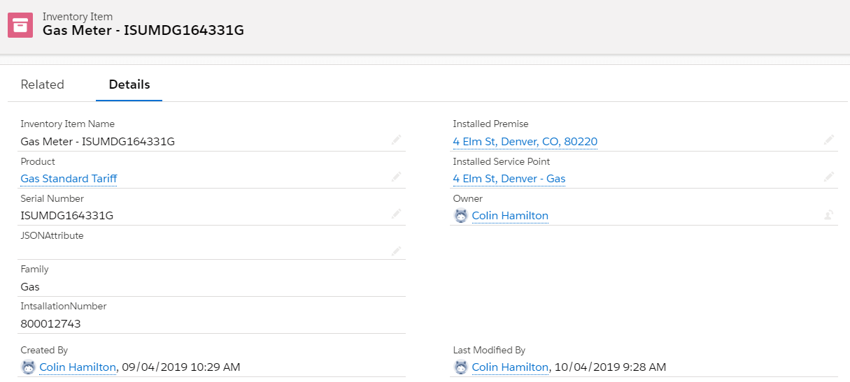
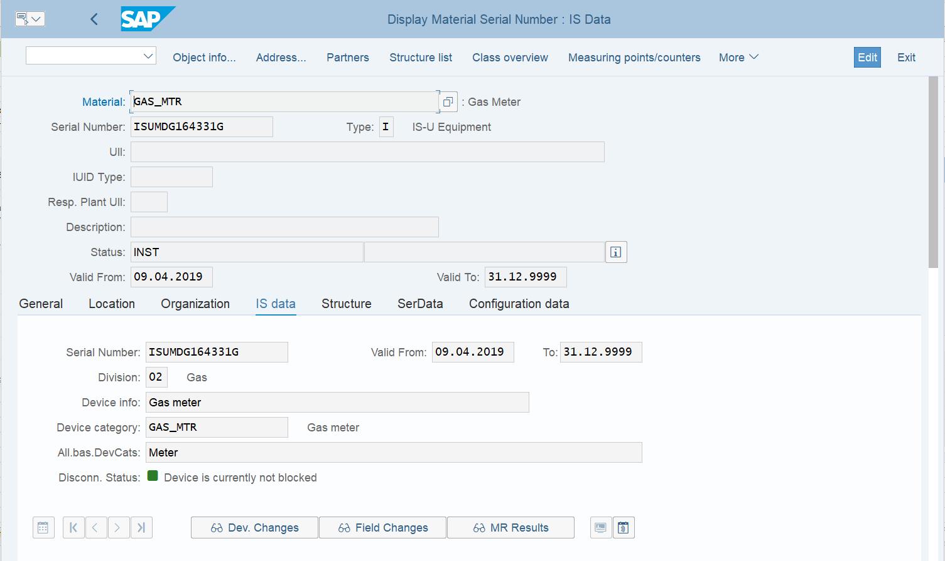
Vlocity Field | Salesforce API Name | SAP Field | Mapping - SAP to Vlocity | BAPI Output field
Serial Number | vlocity_cmt__SerialNumber__c | Serial Number | Use Value | meter
Family | N/A | Division | 01 = Electricity, 02 = Gas, 03 = Water | service_type
Installed Premise | vlocity_cmt__PremiseId__c | Premise | Find Premise via Premise Number | premise_number
Installed Service Point | vlocity_cmt__ServicePointId__c | Installation | Find Service Point with Service Point Number | installation_number
Inventory Item Name | Name | n/a - concatenate Service Type + "Meter" + Serial Number e.g. Electricity Meter - ISUMDG055354E
Product | vlocity_cmt__ProductId__c | n/a | Populate with a default Product based on Family

BAPI Service Sample Output
{
"d" : {
"results" : [
{
"__metadata" : {
"id" : "http://awsast0058.enggSAP.accenture.com:8001/sap/opu/odata/sap/ZSFDC_BAPI_SERVICES_SRV/velocity_dataSet(end_date=datetime'2019-02-01T00%3A00%3A00.0000000',start_date=datetime'2019-01-30T00%3A00%3A00.0000000')",
"uri" : "http://awsast0058.enggSAP.accenture.com:8001/sap/opu/odata/sap/ZSFDC_BAPI_SERVICES_SRV/velocity_dataSet(end_date=datetime'2019-02-01T00%3A00%3A00.0000000',start_date=datetime'2019-01-30T00%3A00%3A00.0000000')",
"type" : "ZSFDC_BAPI_SERVICES_SRV.velocity_data"
},
"activation_date" : "2018-01-01",
"meter" : "ISUMDG055354E",
"service_type" : "01",
"installation_number" : "0800012146",
"premise_state" : "NY",
"premise_country" : "US",
"premise_city" : "NY",
"premise_postal_code" : "10002",
"premise_street_address" : "241 Main",
"premise_number" : "0700012047",
"message" : "",
"end_date" : "\/Date(1548979200000)\/",
"start_date" : "\/Date(1548806400000)\/"
},

